Sheet1
Different Holding Configuration and Setup Inference Accuracy | Smartwatch Only Classification Used (50hZ) | Smartphone Only Classification Used (50hZ) | Combined Smartwatch and Smartphone Classification Used (50hZ) | Lower Frequency 25hZ | Lower Frequency 10hZ | Faster/Natural Typing Speed (50hZ) | Different Adversary/Target Smartwatch
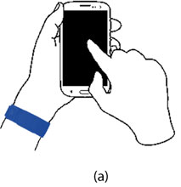 Same Hand and Non-Holding Hand Typing (SH-NHHT) SH-NHHT 28.44% SH-HHT 7.56% Vice Versa 36% Chance of Occurance | 1 v 1 84.58% | 1 v 1 78.7% | 1 v 1 88.91% | 1 v 1 ~72% | 1 v 1 ~23% | 52% Accuracy | 1 v Rest 70.08% Accuracy for Samsung Gear Live 26.62% Variance 67.41% for Urbane W150 56.26% Variance
 | 1 v Rest 70.18% | 1 v Rest 63.3% | 1 v Rest 71.59% | 1 v Rest ~76% | 1 v Rest ~18%
 | All v All 88.16%% | All v All 85.5% | All v All 88.65% | All v All ~70% | All v All ~27%
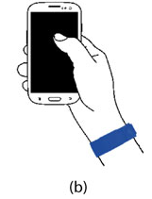 Same Hand and Holding Hand Typing (SH-HHT) SH-HHT 32.83% SH-HHT 16.17% Vice Versa 49% Chance of Occurance | 1 v 1 83.5% | 1 v 1 84.0% | 1 v 1 90.66% | 1 v 1 ~65% | 1 v 1 ~19% | 61% Accuracy | 1 v Rest 71.16% Accuracy for Samsung Gear Live 17.24% Variance 70.83% for Urbane W150 77.00% Variance
 | 1 v Rest 71.16% | 1 v Rest 70.9% | 1 v Rest 74.29% | 1 v Rest ~60% | 1 v Rest ~21%
 | All v All 85.83% | All v All 86.8% | All v All 89.78% | All v All ~75% | All v All ~20%
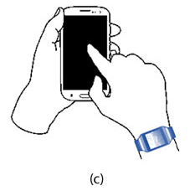 Different Hand and Non-Holding Hand Typing (DH-NHHT) DH-NHHT 2.11% Chance of Occurance | Transition Accuracy 88.42% Inference Accuracy 43.75% | ? | Transition Accuracy 88.42% Inference Accuracy 82.50% | ? | ? | Transition Accuracy 79.76% Inference Accuracy 38.33% | ?

